Tension
0 | 0
1 | -0.070779234171
2 | -0.14155846834
3 | -0.21233768761
4 | -0.28311693668
5 | -0.35389623046
Fz
6 | -0.42467537522
7 | -0.49545457959
8 | -0.56623387337
9 | -0.63701307774
10 | -0.70779246092
11 | -0.77857172489
12 | -0.84935075045
13 | -0.92013013363
14 | -0.99090915918
15 | -1.0616887808
16 | -1.1324677467
17 | -1.2032469511
18 | -1.2740261555
19 | -1.3448052406
20 | -1.4155849218
21 | -1.4863642454
22 | -1.5571434498
23 | -1.6279224157
24 | -1.6987015009
25 | -1.7694814205
26 | -1.8402602673
27 | -1.9110392332
28 | -1.9818183184
29 | -2.0525979996
30 | -2.1233775616
31 | -2.1941566467
32 | -2.2649354935
33 | -2.335714817
34 | -2.4064939022
35 | -2.4772729874
36 | -2.5480523109
37 | -2.6188323498
38 | -2.6896104813
39 | -2.7603902817
40 | -2.8311698437
41 | -2.9019482136
42 | -2.9727284908
43 | -3.0435070992
44 | -3.1142868996
45 | -3.1850657463
46 | -3.2558448315
47 | -3.3266243935
48 | -3.3974030018
49 | -3.4681823254
50 | -3.538962841
51 | -3.6097409725
52 | -3.6805205345
53 | -3.7512991428
54 | -3.8220784664
55 | -3.8928582668
56 | -3.9636366367
57 | -4.0344161987
58 | -4.1051959991
59 | -4.1759748459
60 | -4.2467551231
61 | -4.317533493
62 | -4.3883132935
63 | -4.4590921402
64 | -4.5298709869
65 | -4.60064888
66 | -4.6714296341
67 | -4.7422089577
68 | -4.8129878044
69 | -4.883767128
70 | -4.9545459747
71 | -5.0253257751
72 | -5.0961046219
73 | -5.1668839455
74 | -5.2376646996
75 | -5.3084425926
76 | -5.3792209625
77 | -5.4500007629
78 | -5.5207805634
79 | -5.5915594101
80 | -5.6623396873
81 | -5.7331175804
82 | -5.8038964272
83 | -5.8746771812
84 | -5.9454569817
85 | -6.0162363052
86 | -6.0870141983
87 | -6.157793045
88 | -6.2285737991
89 | -6.299352169
90 | -6.3701314926
91 | -6.4409103394
92 | -6.5116896629
93 | -6.582467556
94 | -6.6532487869
95 | -6.7240271568
96 | -6.7948060036
97 | -6.8655843735
98 | -6.9363646507
99 | -7.0071454048
100 | -7.0779256821

Sheet1
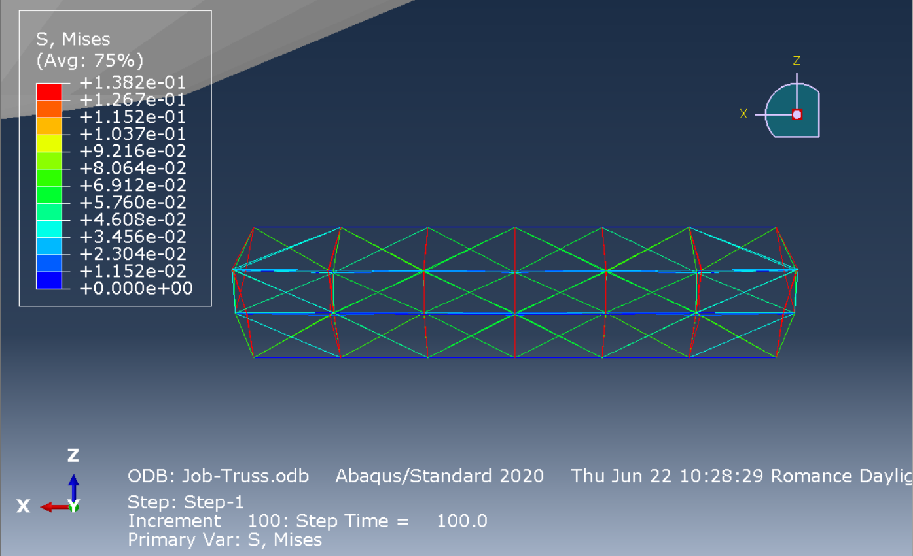

Compression
0 | 0
1 | 0.070779234171
2 | 0.14155846834
3 | 0.21233768761
4 | 0.28311693668
5 | 0.35389623046
Fz
6 | 0.42467537522
7 | 0.49545457959
8 | 0.56623387337
9 | 0.63701307774
10 | 0.70779246092
11 | 0.77857172489
12 | 0.84935075045
13 | 0.92013013363
14 | 0.99090915918
15 | 1.0616887808
16 | 1.1324677467
17 | 1.2032469511
18 | 1.2740261555
19 | 1.3448052406
20 | 1.4155849218
21 | 1.4863642454
22 | 1.5571434498
23 | 1.6279224157
24 | 1.6987015009
25 | 1.7694814205
26 | 1.8402602673
27 | 1.9110392332
28 | 1.9818183184
29 | 2.0525979996
30 | 2.1233775616
31 | 2.1941566467
32 | 2.2649354935
33 | 2.335714817
34 | 2.4064939022
35 | 2.4772729874
36 | 2.5480523109
37 | 2.6188323498
38 | 2.6896104813
39 | 2.7603902817
40 | 2.8311698437
41 | 2.9019482136
42 | 2.9727284908
43 | 3.0435070992
44 | 3.1142868996
45 | 3.1850657463
46 | 3.2558448315
47 | 3.3266243935
48 | 3.3974030018
49 | 3.4681823254
50 | 3.538962841
51 | 3.6097409725
52 | 3.6805205345
53 | 3.7512991428
54 | 3.8220784664
55 | 3.8928582668
56 | 3.9636366367
57 | 4.0344161987
58 | 4.1051959991
59 | 4.1759748459
60 | 4.2467551231
61 | 4.317533493
62 | 4.3883132935
63 | 4.4590921402
64 | 4.5298709869
65 | 4.60064888
66 | 4.6714296341
67 | 4.7422089577
68 | 4.8129878044
69 | 4.883767128
70 | 4.9545459747
71 | 5.0253257751
72 | 5.0961046219
73 | 5.1668839455
74 | 5.2376646996
75 | 5.3084425926
76 | 5.3792209625
77 | 5.4500007629
78 | 5.5207805634
79 | 5.5915594101
80 | 5.6623396873
81 | 5.7331175804
82 | 5.8038964272
83 | 5.8746771812
84 | 5.9454569817
85 | 6.0162363052
86 | 6.0870141983
87 | 6.157793045
88 | 6.2285737991
89 | 6.299352169
90 | 6.3701314926
91 | 6.4409103394
92 | 6.5116896629
93 | 6.582467556
94 | 6.6532487869
95 | 6.7240271568
96 | 6.7948060036
97 | 6.8655843735
98 | 6.9363646507
99 | 7.0071454048
100 | 7.0779256821

